Hoja1
Name | Weak password
ID | #01
Rute | https://www.demoblaze.com/
Number of compilation | -
Severity | Major
Priority | High
Reported by | Pablo A. Balbo
Reported in | Browsers mobile S.O. Android 10: Chrome, Firefox, Opera
 | Desktop browsers: Firefox, Chrome, Opera
Type | Bug
Status | Active
Environment | Production
Description | The site allows me to log up with a weak password
Steps to reproduce | 1- Enter the website
 | 2- Press "Log up"
 | 3- Fill the field "Username" with any user
 | 4- Fill the field "Password" with a weak password (like "1234")
 | 5- Press "Log up"
Expected result | The site should not let me create my user with a weak password
Obtained result | The site let me log up with a weak password
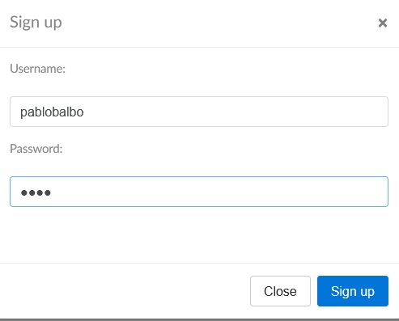
Screenshots

"1234"

